Cennik 2018
 |  | EKOFAKT Price List 2023 valid from 15.1.2023 to 31.3.2023 |  |  |  |  |  | Click on any image or order code of the product to open a web page with detailed information.
 |  | www.ekofakt.com
 |  | Tel: +421 904 503 215
 |  |  |  |  | Master carton / packing
Brand | Order code | Price/1pc | Transparency | Shape | QTTY | Weight in kgs

42" Single tubes for one person made with HF Technology (High Frequency welding)

RAVE sports | RT42SB HF-TO Single Tube 42″ | 21.90 | Transparent | O | 5 | 9.7 | 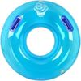

42" Single tubes for one person made with OS Technology (Overlaped Seams - Hot air welding)

EKOFAKT | GT42SB OS-SO Single Tube 42″ | 27.00 | Non-transparent | O | 5 | 11.2 |  | 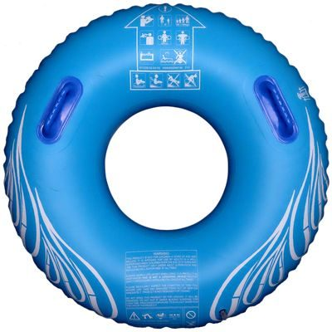
EKOFAKT | GT42SR OS-SO Single Tube 42″ | 27.00 | Non-transparent | O | 5 | 11.2 | 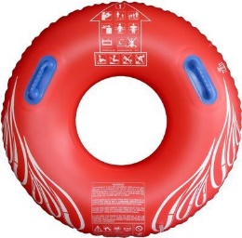
EKOFAKT | GT42SY OS-SO Single Tube 42″ | 27.00 | Non-transparent | O | 5 | 11.2 |  | 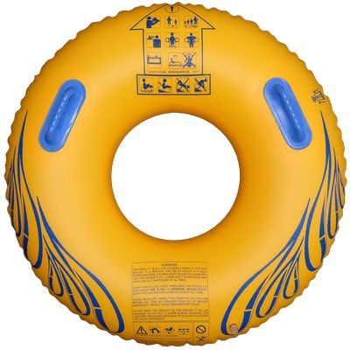
EKOFAKT | GT42SG OS-SO Single Tube 42″ | 27.00 | Non-transparent | O | 5 | 11.2 |  | 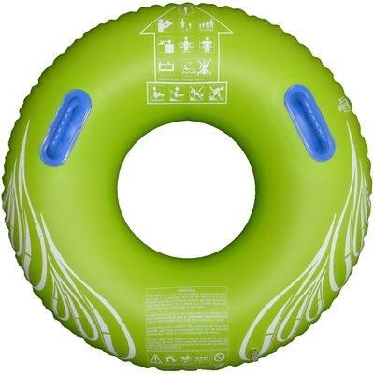
EKOFAKT | GT42SB OS-TO Single Tube 42″ | 27.00 | Transparent | O | 5 | 11.2 |  | 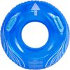

42" HD Single tubes for 1 person made with OS Technology (Overlaped Seams - Hot air welding) High Durability

EKOFAKT | GT42SB OS-SO HD Single Tube 42″ | 34.00 | Transparent | O | 5 | 12.3

48" Single tubes for one person made with HF Technology (High Frequency welding)

RAVE sports | RT48DG HF-TA Double tube 48″ | 49.00 | Transparent | A | 5 | 21.8
RAVE sports | RT48DW HF-TA Double tube 48″ | 45.00 | Non-transparent | A | 5 | 21.8

42" Double tubes for one person made with OS Technology (Overlaped Seams - Hot air welding)

EKOFAKT | GT42DB OS-S8 Double Tube 42″ | 47.00 | Non-transparent | 8 | 5 | 19.0 |  |  | 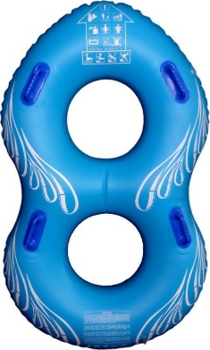
EKOFAKT | GT42DY OS-S8 Double Tube 42 | 47.00 | Non-transparent | 8 | 5 | 19.0 |  | 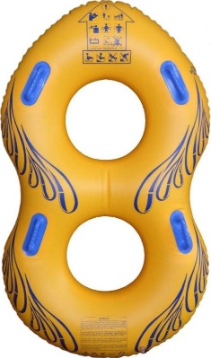
EKOFAKT | GT42DR OS-S8 Double Tube 42″ | 47.00 | Non-transparent | 8 | 5 | 19.0
EKOFAKT | GT42DG OS-S8 Double Tube 42″ | 47.00 | Non-transparent | 8 | 5 | 19.0 |  | 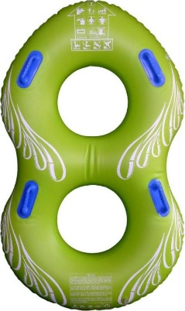
EKOFAKT | GT42DB OS-SA Double tube 42″ | 47.00 | Non-transparent | A | 5 | 17.6

42" Tripple tubes made with HF Technology (High Frequency welding)

RAVE sports | RT42TC HF-TA Triple Tube 42″ | 65.00 | Transparent | A | 5 | 24.4
ZEBEC | ST-3B HF-SA Triple Tube 42″ | 65.00 | Non-transparent | 8 | 4 | 19.9
All prices are without VAT and without transport costs. EXW Banska Bystrica, Slovak republic - INCOTERM 2010
EKOFAKT Price List 2023 valid from 15.1.2023 to 31.3.2023 |  |  |  |  | Master carton / packing
Brand | Order code | Price/1pc | Description | Shape | QTTY | Weight in kgs

48" Tripple tubes made with HF Technology (High Frequency welding)

RAVE sports | RT48TC HF-TA Triple Tube 48″ | 69.00 | Transparent | A | 5 | 27.0 | 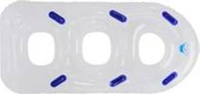

42" Tripple tubes made with OS Technology (Overlaped Seams-Hot air welding)

EKOFAKT | GT42TB OS-S8 Triple Tube 42″ | 76.00 | Non-transparent | 8 | 1 Sample for order production | 7.0

78" Cloverleaf tubes made with OS Technology (Overlaped Seams-Hot air welding)

EKOFAKT | Cloverleaf 78″ tube for 4 users | 330.00 | Non-transparent |  | 1 | 12 | 

Waterpark Rafts made with OS Technology (Overlaped Seams-Hot air welding)

EKOFAKT | TR72I In-line raft | 380.00 | Non-transparent | I | 1 Sample for order production | 12.0 | 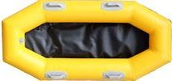

Foam Slide Pad - Matts for sliding - Speed matts

EKOFAKT | Foam Slide Pad EVA ES80 GREEN with structure | 9.9 | 99 × 54.7 × 0.65 cm 1st side structurated 2nd side smooth |  |  | 0.3
EKOFAKT | Foam Slide Pad EVA ES80 RED with structure | 9.9 | 99 × 54.7 × 0.65 cm 1st side structurated 2nd side smooth |  |  | 0.3
EKOFAKT | Foam Slide Pad EVA M01 BLUE with structure | 15 | 99 ×54.5 ×0.66 cm 1st side structurated 2nd side smooth |  |  | 0.3
EKOFAKT | Foam Slide Pad EVA M01 BLUE smooth | 15 | 99 ×54.5 ×0.66 cm smooth on both side |  |  | 0.3
EKOFAKT | Foam Slide Pad EVA A35 #14 NEON BLUE S smooth | 14 | 99 × 49 × 0.7 cm smooth on both side |  |  | 0.3
EKOFAKT | Foam Slide Pad EVA H35 #13 YELLOW smooth | 9.9 | 98 × 56 × 0.64 cm smooth on both side |  |  | 0.3
EKOFAKT | Foam Slide Pad EVA A35 #10 LEMON GREEN smooth | 12 | 99 × 57 × 0.8 cm smooth on both side |  |  | 0.3

Head Down Racer Matts made from EVA foam

EKOFAKT | Head Down Racer Matts EKOFAKT | 67.00 | 145 × 54 × 2.4 cm smooth on both side |  |  | 2
RAVE sports | Head Down Racer Matts RAVE sports | 98.00 | 145 × 54 × 2.4 cm smooth on both side |  |  | 2

All prices are without VAT and without transport costs. EXW Banska Bystrica, Slovak republic - INCOTERM 2010

